Table 1
Competition Shooting Results Antholz Pursuit men 12.5 km Jan 21, 2023 |  |  |  |  |  |  |  |  |  |  |  |  |  |  |  | HoRa Systemtechnik GmbH Chiemseestrasse 26 D83093 Bad Endorf Tel +49 (0)8053 49043 Fax +49 (0)8053 49053 e-mail: info@hora2000.de http://www.hora2000.de Page 1
P | 1S | 2S | 3S | 4S | 5S | ShTm | Rk | RunTm | Rk | RoundTm | Rk | RndTm+P | Rk | Sht. img. |  |  | L | M | La | Remark
1 BOE Johannes Thingnes NOR
0 | 14.9 | 2.1 | 2.1 | 2.0 | 2.0 | 00:25.4 | 7 | 05:29.9 | 1 | 05:55.2 | 1 | 05:55.7 | 1 | ➄➃➂➁➀ |  |  | 1 | P | 1
0 | 16.8 | 3.4 | 2.8 | 2.0 | 2.6 | 00:30.0 | 34 | 05:47.0 | 3 | 06:17.1 | 2 | 06:17.6 | 1 | ➄➃➂➁➀ |  |  | 2 | P | 1
1 | 13.3 | 1.8 | 1.9 | 1.5 | 1.9 | 00:22.1 | 10 | 05:48.9 | 1 | 06:11.0 | 1 | 06:33.5 | 4 | ➄➃➂●➀ |  |  | 3 | S | 1
1 | 12.2 | 1.6 | 1.6 | 1.5 | 1.5 | 00:20.3 | 6 | 06:15.0 | 14 | 06:35.3 | 9 | 06:57.8 | 8 | ➄●➂➁➀ |  |  | 4 | S | 1
2 |  |  |  |  |  | 01:37.8 | 13 | 23:20.8 | 1 | 24:58.7 | 1 | 25:21.2 | 1 |  |  |  |  |  |  | + 22 sec/Penalty
2 PONSILUOMA Martin SWE
1 | 13.4 | 3.1 | 2.3 | 2.5 | 2.6 | 00:26.3 | 11 | 06:12.9 | 2 | 06:39.2 | 2 | 07:02.2 | 3 | ●➃➂➁➀ |  |  | 1 | P | 2
1 | 13.7 | 3.2 | 2.3 | 2.0 | 2.0 | 00:25.7 | 8 | 06:12.2 | 25 | 06:37.9 | 18 | 07:01.4 | 27 | ➄➃➂➁● |  |  | 2 | P | 3
0 | 10.9 | 1.9 | 1.9 | 2.2 | 1.9 | 00:20.8 | 8 | 06:22.5 | 29 | 06:43.3 | 23 | 06:44.8 | 7 | ➄➃➂➁➀ |  |  | 3 | S | 3
0 | 12.3 | 1.7 | 1.5 | 1.5 | 1.8 | 00:20.7 | 7 | 06:01.5 | 2 | 06:22.2 | 2 | 06:23.7 | 1 | ➄➃➂➁➀ |  |  | 4 | S | 3
2 |  |  |  |  |  | 01:33.5 | 5 | 24:49.1 | 3 | 26:22.6 | 3 | 26:24.1 | 3 |  |  |  |  |  |  | + 22 sec/Penalty
3 LAEGREID Sturla Holm NOR
0 | 12.6 | 2.7 | 2.2 | 2.7 | 2.1 | 00:24.5 | 4 | 06:21.4 | 3 | 06:45.9 | 3 | 06:47.4 | 2 | ➄➃➂➁➀ |  |  | 1 | P | 3
0 | 16.5 | 2.9 | 2.4 | 2.4 | 2.5 | 00:29.3 | 26 | 05:54.3 | 5 | 06:23.7 | 6 | 06:24.7 | 2 | ➄➃➂➁➀ |  |  | 2 | P | 2
0 | 11.1 | 1.8 | 1.9 | 1.9 | 1.9 | 00:20.5 | 7 | 06:02.4 | 10 | 06:22.9 | 2 | 06:23.9 | 1 | ➄➃➂➁➀ |  |  | 3 | S | 2
0 | 12.2 | 2.6 | 2.0 | 2.1 | 2.0 | 00:22.7 | 15 | 06:05.3 | 6 | 06:28.0 | 3 | 06:29.0 | 2 | ➄➃➂➁➀ |  |  | 4 | S | 2
0 |  |  |  |  |  | 01:37.1 | 10 | 24:23.4 | 2 | 26:00.5 | 2 | 26:01.5 | 2 |  |  |  |  |  |  | + 22 sec/Penalty
4 REES Roman GER
1 | 17.4 | 2.6 | 2.5 | 2.7 | 2.6 | 00:30.9 | 45 | 06:41.9 | 5 | 07:12.8 | 5 | 07:37.3 | 6 | ➀➁➂●➄ |  |  | 1 | P | 5
0 | 18.5 | 2.5 | 2.3 | 2.4 | 2.4 | 00:30.9 | 41 | 06:18.7 | 36 | 06:49.6 | 37 | 06:52.1 | 21 | ➀➁➂➃➄ |  |  | 2 | P | 5
0 | 14.5 | 2.5 | 2.4 | 2.1 | 2.2 | 00:26.3 | 39 | 05:59.6 | 6 | 06:25.8 | 6 | 06:28.3 | 3 | ➄➃➂➁➀ |  |  | 3 | S | 5
0 | 14.8 | 2.4 | 2.3 | 2.2 | 3.8 | 00:27.7 | 33 | 06:06.3 | 8 | 06:34.0 | 8 | 06:36.5 | 3 | ➄➃➂➁➀ |  |  | 4 | S | 5
1 |  |  |  |  |  | 01:55.7 | 38 | 25:06.5 | 4 | 27:02.2 | 5 | 27:04.7 | 4 |  |  |  |  |  |  | + 22 sec/Penalty
5 CHRISTIANSEN Vetle Sjaastad NOR
1 | 14.8 | 2.5 | 2.4 | 2.3 | 2.1 | 00:27.3 | 20 | 06:32.9 | 4 | 07:00.1 | 4 | 07:24.1 | 4 | ●➃➂➁➀ |  |  | 1 | P | 4
1 | 16.5 | 2.6 | 3.6 | 2.5 | 2.4 | 00:30.8 | 40 | 06:09.9 | 22 | 06:40.7 | 24 | 07:04.7 | 31 | ➄➃➂➁● |  |  | 2 | P | 4
2 | 12.5 | 1.7 | 1.7 | 4.8 | 2.7 | 00:25.5 | 30 | 06:20.5 | 25 | 06:46.0 | 28 | 07:32.0 | 42 | ➄●➂●➀ |  |  | 3 | S | 4
0 | 13.1 | 2.0 | 2.0 | 1.9 | 1.9 | 00:22.7 | 16 | 06:42.1 | 39 | 07:04.8 | 36 | 07:09.3 | 13 | ➄➃➂➁➀ |  |  | 4 | S | 9
4 |  |  |  |  |  | 01:46.3 | 22 | 25:45.3 | 9 | 27:31.6 | 9 | 27:36.1 | 6 |  |  |  |  |  |  | + 22 sec/Penalty
6 JACQUELIN Emilien FRA
2 | 14.4 | 2.5 | 4.4 | 2.8 | ==.= | 00:27.5 | 21 | 06:51.7 | 7 | 07:19.2 | 7 | 08:06.7 | 16 | ●➂●➁➀ |  |  | 1 | P | 7 | one shot missed target
0 | 15.0 | 2.9 | 3.2 | 3.7 | 2.5 | 00:29.7 | 30 | 06:34.3 | 46 | 07:03.9 | 47 | 07:11.4 | 34 | ➄➃➂➁➀ |  |  | 2 | P | 15
1 | 8.7 | 2.1 | 1.7 | 1.8 | 2.0 | 00:18.3 | 3 | 06:05.1 | 13 | 06:23.4 | 3 | 06:51.9 | 14 | ➀➁➂●➄ |  |  | 3 | S | 13
2 | 10.2 | 1.9 | 1.9 | 2.0 | 1.7 | 00:19.9 | 2 | 06:25.4 | 26 | 06:45.3 | 19 | 07:34.8 | 33 | ●●➂➃➄ |  |  | 4 | S | 11
5 |  |  |  |  |  | 01:35.4 | 7 | 25:56.4 | 10 | 27:31.8 | 10 | 28:21.3 | 14 |  |  |  |  |  |  | + 22 sec/Penalty
7 GIACOMEL Tommaso ITA
1 | 15.1 | 2.2 | 2.2 | 2.0 | 2.3 | 00:26.8 | 15 | 06:50.7 | 6 | 07:17.5 | 6 | 07:42.5 | 8 | ➄●➂➁➀ |  |  | 1 | P | 6
1 | 13.9 | 2.7 | 2.5 | 2.4 | 2.6 | 00:27.2 | 11 | 06:16.5 | 33 | 06:43.8 | 31 | 07:09.3 | 32 | ➄➃●➁➀ |  |  | 2 | P | 7
0 | 10.6 | 1.6 | 1.6 | 1.5 | 1.6 | 00:19.3 | 4 | 06:25.4 | 36 | 06:44.8 | 25 | 06:50.3 | 10 | ➄➃➂➁➀ |  |  | 3 | S | 11
2 | 8.8 | 1.8 | 1.9 | 3.3 | 2.2 | 00:20.0 | 4 | 06:10.4 | 10 | 06:30.4 | 5 | 07:17.9 | 21 | ●●➄➁➀ |  |  | 4 | S | 7
4 |  |  |  |  |  | 01:33.3 | 4 | 25:43.1 | 8 | 27:16.4 | 6 | 28:03.9 | 10 |  |  |  |  |  |  | + 22 sec/Penalty
8 EDER Simon AUT
0 | 14.2 | 2.3 | 1.9 | 2.4 | 1.9 | 00:25.8 | 9 | 07:02.9 | 8 | 07:28.7 | 8 | 07:32.7 | 5 | ➀➁➂➃➄ |  |  | 1 | P | 8
1 | 13.7 | 2.4 | 2.1 | 2.0 | 2.8 | 00:25.7 | 7 | 06:06.0 | 16 | 06:31.7 | 13 | 06:59.2 | 25 | ●➁➂➃➄ |  |  | 2 | P | 11
0 | 10.6 | 1.8 | 2.2 | 1.9 | 1.9 | 00:20.3 | 6 | 06:29.0 | 39 | 06:49.2 | 34 | 06:56.2 | 17 | ➀➁➂➃➄ |  |  | 3 | S | 14
0 | 14.1 | 1.9 | 2.0 | 2.2 | 1.9 | 00:23.9 | 19 | 06:19.3 | 20 | 06:43.2 | 15 | 06:48.2 | 4 | ➀➁➂➃➄ |  |  | 4 | S | 10
1 |  |  |  |  |  | 01:35.6 | 8 | 25:57.2 | 12 | 27:32.8 | 11 | 27:37.8 | 7 |  |  |  |  |  |  | + 22 sec/Penalty
9 STRELOW Justus GER
0 | 13.5 | 3.4 | 2.8 | 2.8 | 2.8 | 00:28.1 | 28 | 07:10.0 | 14 | 07:38.1 | 12 | 07:45.1 | 11 | ➄➃➂➁➀ |  |  | 1 | P | 14
0 | 14.6 | 2.8 | 2.4 | 2.4 | 2.4 | 00:27.6 | 12 | 06:09.5 | 20 | 06:37.0 | 16 | 06:43.0 | 13 | ➄➃➂➁➀ |  |  | 2 | P | 12
1 | 13.0 | 2.7 | 2.7 | 2.4 | 2.6 | 00:25.8 | 32 | 06:12.3 | 20 | 06:38.0 | 20 | 07:06.0 | 23 | ➄➃➂●➀ |  |  | 3 | S | 12
1 | 12.3 | 2.6 | 2.3 | 3.2 | 2.4 | 00:24.9 | 24 | 06:34.7 | 32 | 06:59.6 | 29 | 07:29.6 | 30 | ➄➃●➁➀ |  |  | 4 | S | 16
2 |  |  |  |  |  | 01:46.3 | 24 | 26:06.4 | 18 | 27:52.8 | 14 | 28:22.8 | 15 |  |  |  |  |  |  | + 22 sec/Penalty
P | 1S | 2S | 3S | 4S | 5S | ShTm | Rk | RunTm | Rk | RoundTm | Rk | RndTm+P | Rk | Sht. img. |  |  | L | M | La | Remark
10 CLAUDE Fabien FRA
3 | 15.5 | 2.2 | 2.2 | 2.5 | 2.3 | 00:28.6 | 32 | 07:08.4 | 9 | 07:37.0 | 10 | 08:48.0 | 38 | ●●➂●➀ |  |  | 1 | P | 10
0 | 16.4 | 3.2 | 2.9 | 2.8 | 3.0 | 00:31.5 | 44 | 06:47.1 | 50 | 07:18.6 | 50 | 07:33.1 | 44 | ➄➃➂➁➀ |  |  | 2 | P | 29
0 | 13.9 | 2.4 | 2.1 | 2.1 | 2.1 | 00:24.9 | 22 | 06:01.1 | 8 | 06:25.9 | 7 | 06:35.4 | 5 | ➄➃➂➁➀ |  |  | 3 | S | 19
3 | 14.1 | 2.1 | 2.2 | 2.3 | 6.5 | 00:29.1 | 38 | 06:06.9 | 9 | 06:36.0 | 10 | 07:50.5 | 39 | ➄●●●➀ |  |  | 4 | S | 17
6 |  |  |  |  |  | 01:54.1 | 34 | 26:03.4 | 13 | 27:57.5 | 17 | 29:12.0 | 24 |  |  |  |  |  |  | + 22 sec/Penalty
11 HARTWEG Niklas SUI
0 | 15.5 | 2.3 | 2.1 | 2.1 | 2.2 | 00:26.7 | 14 | 07:09.5 | 13 | 07:36.2 | 9 | 07:42.2 | 7 | ➀➁➂➃➄ |  |  | 1 | P | 12
0 | 11.7 | 2.2 | 2.1 | 2.0 | 2.1 | 00:22.4 | 2 | 05:58.4 | 11 | 06:20.8 | 4 | 06:24.8 | 3 | ➀➁➂➃➄ |  |  | 2 | P | 8
0 | 11.8 | 5.6 | 2.5 | 2.6 | 2.6 | 00:26.7 | 41 | 06:07.5 | 17 | 06:34.2 | 16 | 06:38.2 | 6 | ➄➃➂➁➀ |  |  | 3 | S | 8
1 | 12.0 | 2.5 | 2.6 | 2.9 | 2.5 | 00:24.7 | 23 | 06:22.0 | 22 | 06:46.7 | 20 | 07:11.7 | 16 | ➄➃●➁➀ |  |  | 4 | S | 6
1 |  |  |  |  |  | 01:40.5 | 15 | 25:37.4 | 7 | 27:17.8 | 7 | 27:42.8 | 8 |  |  |  |  |  |  | + 22 sec/Penalty
12 DOLL Benedikt GER
0 | 12.9 | 2.8 | 3.1 | 3.4 | 2.4 | 00:28.8 | 34 | 07:08.6 | 11 | 07:37.4 | 11 | 07:42.9 | 9 | ➄➃➂➁➀ |  |  | 1 | P | 11
0 | 14.1 | 3.3 | 3.1 | 3.5 | 3.7 | 00:31.0 | 43 | 05:54.7 | 6 | 06:25.7 | 10 | 06:28.7 | 4 | ➄➃➂➁➀ |  |  | 2 | P | 6
1 | 13.6 | 2.9 | 3.8 | 3.1 | 2.9 | 00:28.6 | 46 | 05:59.4 | 5 | 06:28.0 | 10 | 06:53.0 | 15 | ➄➃➂●➀ |  |  | 3 | S | 6
2 | 12.0 | 2.6 | 3.8 | 3.3 | 3.0 | 00:27.0 | 30 | 06:26.4 | 27 | 06:53.4 | 26 | 07:41.4 | 37 | ➄●➂●➀ |  |  | 4 | S | 8
3 |  |  |  |  |  | 01:55.5 | 37 | 25:29.1 | 6 | 27:24.7 | 8 | 28:12.7 | 11 |  |  |  |  |  |  | + 22 sec/Penalty
13 RUNNALLS Adam CAN
1 | 12.9 | 1.9 | 1.6 | 1.8 | 1.8 | 00:23.0 | 3 | 07:18.3 | 16 | 07:41.3 | 15 | 08:12.8 | 18 | ➄●➂➁➀ |  |  | 1 | P | 19
2 | 13.8 | 2.0 | 2.1 | 2.0 | 2.1 | 00:24.8 | 5 | 06:36.2 | 47 | 07:01.0 | 45 | 07:56.5 | 51 | ●➃➂➁● |  |  | 2 | P | 23
1 | 9.2 | 1.8 | 1.6 | 1.6 | 1.6 | 00:17.6 | 1 | 07:11.3 | 53 | 07:28.9 | 52 | 07:54.9 | 53 | ➄➃➂➁● |  |  | 3 | S | 8
0 | 10.6 | 1.9 | 1.6 | 1.7 | 1.7 | 00:19.4 | 1 | 06:49.6 | 44 | 07:09.0 | 39 | 07:14.0 | 19 | ➄➃➂➁➀ |  |  | 4 | S | 10
4 |  |  |  |  |  | 01:24.9 | 1 | 27:55.3 | 44 | 29:20.1 | 39 | 29:25.1 | 26 |  |  |  |  |  |  | + 22 sec/Penalty
14 BOE Tarjei NOR
0 | 16.7 | 3.5 | 3.0 | 2.3 | 2.4 | 00:31.0 | 46 | 07:08.5 | 10 | 07:39.5 | 14 | 07:44.0 | 10 | ➀➁➂➃➄ |  |  | 1 | P | 9
0 | 16.4 | 2.4 | 2.5 | 2.5 | 2.9 | 00:29.7 | 31 | 05:55.0 | 8 | 06:24.7 | 7 | 06:29.7 | 6 | ➀➁➂➃➄ |  |  | 2 | P | 10
3 | 14.6 | 3.0 | 5.2 | 3.0 | 4.9 | 00:33.0 | 52 | 06:00.9 | 7 | 06:33.9 | 15 | 07:44.4 | 46 | ●●➂●➄ |  |  | 3 | S | 9
0 | 17.2 | 2.8 | 2.9 | 2.8 | 3.2 | 00:30.9 | 48 | 06:59.7 | 49 | 07:30.6 | 50 | 07:39.6 | 35 | ➀➁➂➃➄ |  |  | 4 | S | 18
3 |  |  |  |  |  | 02:04.6 | 49 | 26:04.1 | 14 | 28:08.7 | 18 | 28:17.7 | 13 |  |  |  |  |  |  | + 22 sec/Penalty
15 DALE Johannes NOR
0 | 15.8 | 2.9 | 2.6 | 2.6 | 2.7 | 00:29.9 | 39 | 07:09.5 | 12 | 07:39.3 | 13 | 07:45.8 | 12 | ➀➁➂➃➄ |  |  | 1 | P | 13
0 | 14.8 | 2.8 | 3.1 | 2.9 | 2.7 | 00:29.1 | 23 | 05:55.8 | 9 | 06:24.9 | 8 | 06:29.4 | 5 | ➀➁➂➃➄ |  |  | 2 | P | 9
0 | 15.0 | 2.3 | 2.3 | 2.1 | 2.2 | 00:26.0 | 34 | 05:58.9 | 3 | 06:24.8 | 4 | 06:28.3 | 2 | ➄➃➂➁➀ |  |  | 3 | S | 7
1 | 13.4 | 2.3 | 2.1 | 2.1 | 2.3 | 00:24.4 | 21 | 06:04.8 | 4 | 06:29.2 | 4 | 06:53.2 | 7 | ●➃➂➁➀ |  |  | 4 | S | 4
1 |  |  |  |  |  | 01:49.4 | 26 | 25:08.9 | 5 | 26:58.3 | 4 | 27:22.3 | 5 |  |  |  |  |  |  | + 22 sec/Penalty
16 STALDER Sebastian SUI
0 | 13.5 | 2.6 | 2.4 | 2.3 | 2.6 | 00:26.0 | 10 | 07:19.6 | 19 | 07:45.7 | 18 | 07:54.7 | 13 | ➀➁➂➃➄ |  |  | 1 | P | 18
...
Competition Shooting Results Antholz Pursuit men 12.5 km Jan 21, 2023 |  |  |  |  |  |  |  |  |  |  |  |  |  |  |  | HoRa Systemtechnik GmbH Chiemseestrasse 26 D83093 Bad Endorf Tel +49 (0)8053 49043 Fax +49 (0)8053 49053 e-mail: info@hora2000.de http://www.hora2000.de Page 1
0 | 39.3 | 5.4 | 3.7 | 3.9 | 2.9 | 00:58.1 | 57 | 07:00.9 | 55 | 07:59.1 | 57 | 08:12.6 | 53 | ➄➃➂➁➀ |  |  | 2 | P
0 | 16.3 | 1.9 | 1.9 | 1.6 | 2.0 | 00:26.0 | 35 | 06:21.8 | 28 | 06:47.8 | 30 | 07:00.3 | 18 | ➄➃➂➁➀ |  |  | 3 | S
2 | 17.9 | 6.3 | 2.1 | 4.7 | 2.3 | 00:35.7 | 53 | 06:24.8 | 25 | 07:00.5 | 31 | 07:56.0 | 40 | ●➃●➁➀ |  |  | 4 | S
4 |  |  |  |  |  | 02:46.8 | 56 | 28:27.8 | 52 | 31:14.6 | 56 | 32:10.1 | 56
60 CERVENKA Vaclav USA
1 | 14.9 | 3.4 | 2.7 | 2.2 | 2.3 | 00:28.7 | 33 | 08:53.8 | 57 | 09:22.5 | 56 | 09:58.0 | 56 | ●➁➂➃➄ |  |  | 1 | P
3 | 16.4 | 3.4 | 2.2 | 2.7 | 3.3 | 00:32.2 | 47 | 06:50.7 | 53 | 07:22.9 | 53 | 08:41.9 | 57 | ●➁●●➄ |  |  | 2 | P
0 |  |  |  |  |  | 00:00.0 | 0 | 00:00.0 | 0 | 00:00.0 | 0 | 00:00.0 | 0
Total shots recorded: 1,130, total missed shots: 181 = 16.018% Standing shots recorded: 560, standing missed shots: 106 = 18.929% Prone shots recorded: 570, prone missed shots: 75 = 13.158%
Competition Time Scale Antholz Pursuit men 12.5 km Jan 21, 2023 |  |  |  |  |  |  |  |  |  |  |  |  |  |  | HoRa Systemtechnik GmbH Chiemseestrasse 26 D83093 Bad Endorf Tel +49 (0)8053 49043 Fax +49 (0)8053 49053 e-mail: info@hora2000.de http://www.hora2000.de Page 1
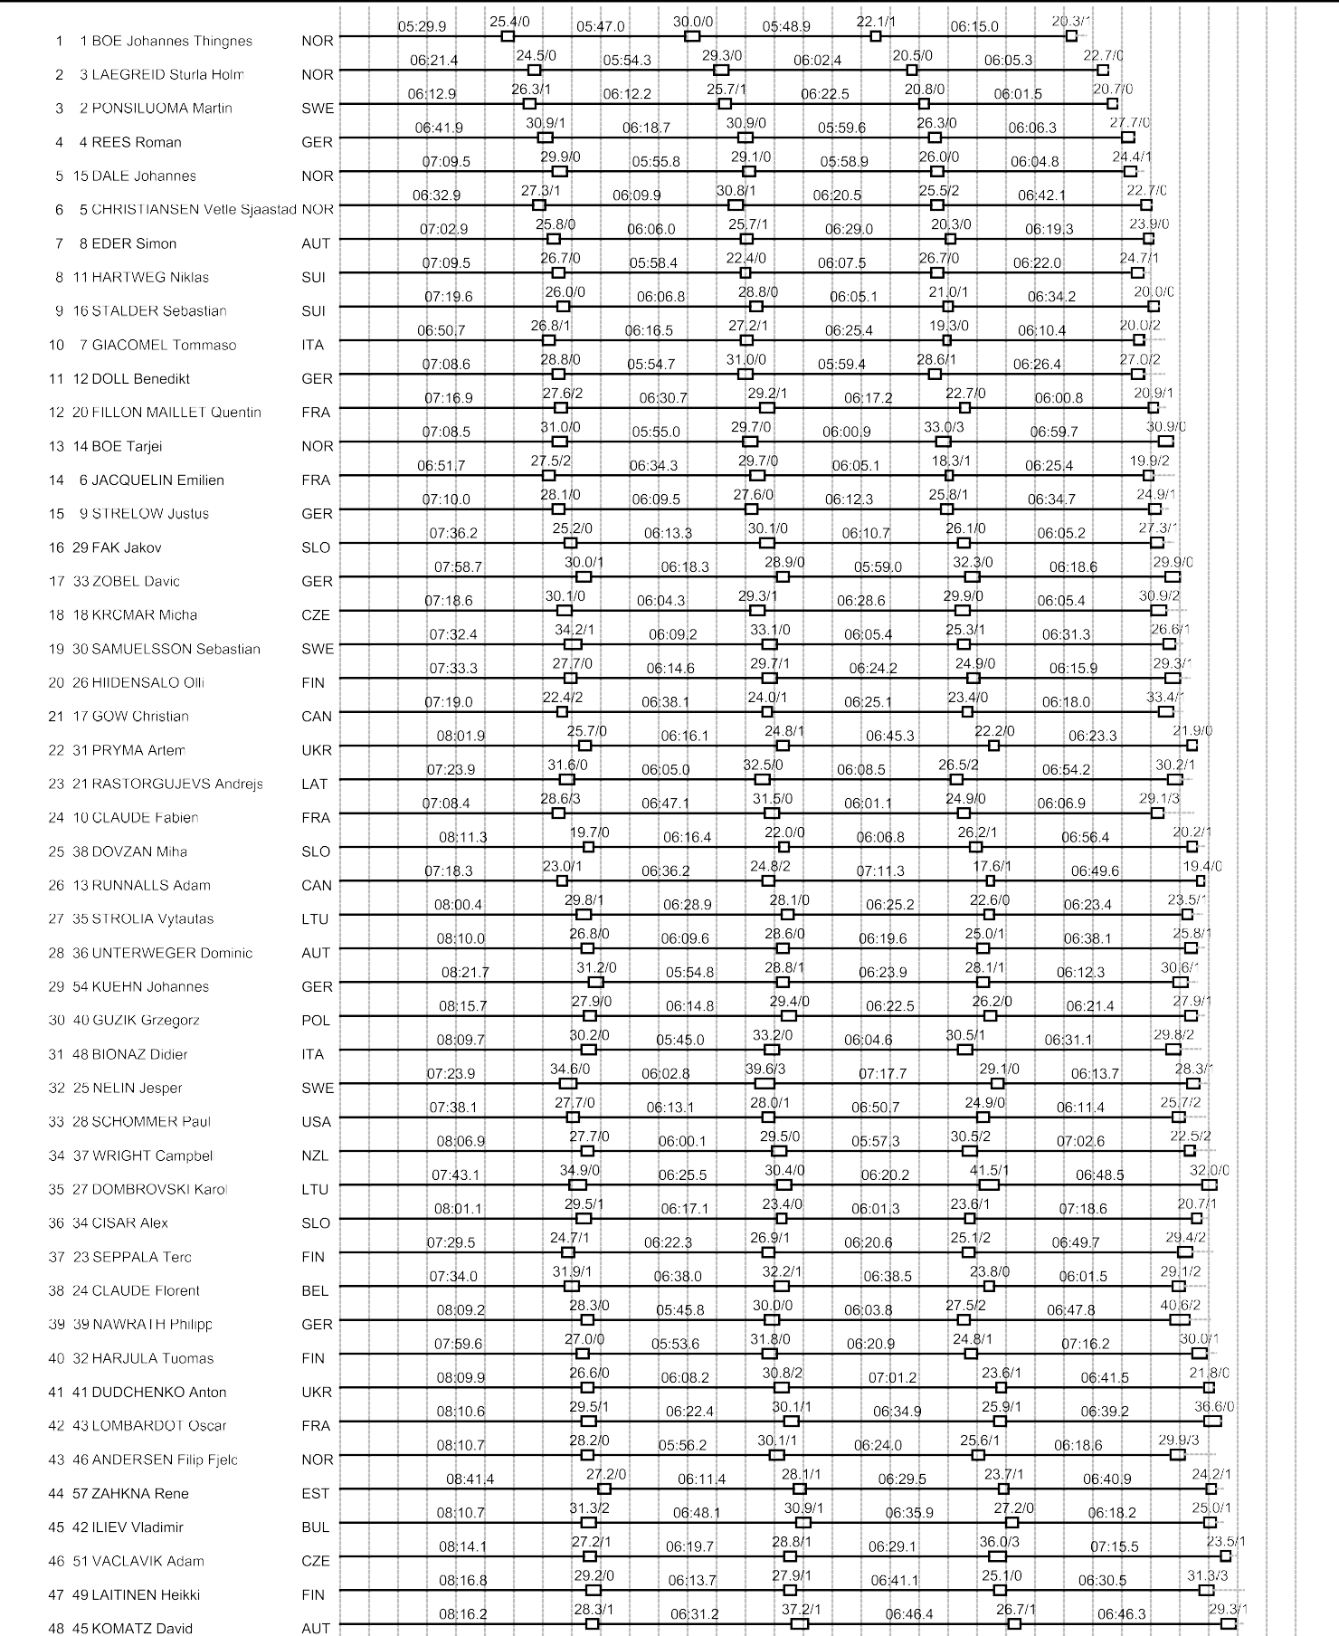

Antholz Pursuit men 12.5 km Jan 21, 2023 Page 2

